data
122.0 | 1
95.0 | 1
158.0 | 1
216.0 | 1
143.0 | 1
65.0 | 0
87.0 | 0
60.0 | 0
108.0 | 0
124.0 | 0
56.0 | 0
150.0 | 1
113.0 | 0
138.0 | 1
52.0 | 0
354.0 | 1
177.0 | 1
116.0 | 1
90.0 | 0
66.0 | 0
127.0 | 1
226.0 | 1
171.0 | 1
73.0 | 0
129.0 | 1
63.0 | 0
98.0 | 1
215.0 | 1
151.0 | 1
78.0 | 0
152.0 | 1
381.0 | 1
141.0 | 0
79.0 | 0
74.0 | 0
165.0 | 1
54.0 | 0
107.0 | 1
157.0 | 1
64.0 | 0
119.0 | 0
216.0 | 1
59.0 | 0
99.0 | 0
221.0 | 1
64.0 | 0
105.0 | 1
100.0 | 0
109.0 | 0
153.0 | 1
...
Add rush hour. |  |  | 92
Split travel time average /variance |  |  |  |  | ln normal
 |  | times leaving before flight | rush | adjust | travel time | rush | net | target
 | mean | 115 | 0.3 | 0 | 10 | 8 |  | 60

 |  | 4.7449321284 |  |  | 4 | 2.0794415417 |  | 46%
 | std | 0.4 |  |  | 1 | 0.5 | 1.5
 |  | 122.4 | TRUE | 0 | 9.1 | 18.3 | 95.0 | TRUE | 0.56163385778 | 0.036706392456 | 0.95056633169 | 122.0 | TRUE | TRUE
 |  | 94.8 | FALSE | 0 | 6.0 | 0.0 | 88.8 | TRUE | 0.31466903494 | 0.013453522197 | 0.13953325201 | 95.0 | FALSE | TRUE
 |  | 158.0 | TRUE | 0 | 23.1 | 12.7 | 122.2 | TRUE | 0.78664951385 | 0.19476282767 | 0.8233546775 | 158.0 | TRUE | TRUE
 |  | 216.1 | TRUE | 0 | 137.6 | 6.5 | 72.0 | TRUE | 0.94263256467 | 0.82231966031 | 0.34394721176 | 216.0 | TRUE | TRUE
 |  | 142.9 | TRUE | 0 | 44.6 | 11.7 | 86.5 | TRUE | 0.70629753125 | 0.42007157624 | 0.77739161259 | 143.0 | TRUE | TRUE
 |  | 65.5 | FALSE | 0 | 12.1 | 0.0 | 53.4 | FALSE | 0.07954175624 | 0.066084454134 | 0.2363888186 | 65.0 | FALSE | FALSE
 |  | 87.0 | TRUE | 0 | 156.9 | 20.1 | -89.9 | FALSE | 0.24292306865 | 0.85443936911 | 0.96702688422 | 87.0 | TRUE | FALSE
 |  | 59.6 | TRUE | 0 | 74.3 | 22.1 | -36.8 | FALSE | 0.049984671303 | 0.62094933363 | 0.97898400055 | 60.0 | TRUE | FALSE
 |  | 107.6 | TRUE | 0 | 41.9 | 9.2 | 56.4 | FALSE | 0.43381424978 | 0.3955260475 | 0.61375157631 | 108.0 | TRUE | FALSE
 |  | 124.2 | TRUE | 0 | 53.5 | 19.7 | 51.0 | FALSE | 0.57648910472 | 0.49203297273 | 0.96450961803 | 124.0 | TRUE | FALSE
 |  | 56.0 | FALSE | 0 | 33.6 | 0.0 | 22.4 | FALSE | 0.0359801162 | 0.31326145443 | 0.07265595559 | 56.0 | FALSE | FALSE
 |  | 149.8 | TRUE | 0 | 63.5 | 6.5 | 79.8 | TRUE | 0.74564450012 | 0.55994303508 | 0.3372100453 | 150.0 | TRUE | TRUE
 |  | 113.0 | TRUE | 0 | 179.3 | 7.2 | -73.5 | FALSE | 0.48228817721 | 0.8828414291 | 0.41372395511 | 113.0 | TRUE | FALSE
 |  | 137.7 | TRUE | 0 | 11.4 | 10.6 | 115.7 | TRUE | 0.67381607487 | 0.058538537939 | 0.71626149418 | 138.0 | TRUE | TRUE
 |  | 51.6 | FALSE | 0 | 819.7 | 0.0 | -768.1 | FALSE | 0.022681348581 | 0.99662512667 | 0.0045828553544 | 52.0 | FALSE | FALSE
 |  | 353.7 | TRUE | 0 | 139.8 | 6.2 | 207.8 | TRUE | 0.99751601879 | 0.82638586083 | 0.30807867418 | 354.0 | TRUE | TRUE
 |  | 177.1 | FALSE | 0 | 24.0 | 0.0 | 153.1 | TRUE | 0.85966032627 | 0.20524105306 | 0.21987502359 | 177.0 | FALSE | TRUE
 |  | 116.2 | FALSE | 0 | 11.2 | 0.0 | 105.1 | TRUE | 0.51076890591 | 0.056177375108 | 0.17683341423 | 116.0 | FALSE | TRUE
 |  | 89.5 | TRUE | 0 | 38.1 | 13.6 | 37.8 | FALSE | 0.26555931852 | 0.35930633252 | 0.85679733134 | 90.0 | TRUE | FALSE
 |  | 65.7 | TRUE | 0 | 49.3 | 7.2 | 9.2 | FALSE | 0.080974232506 | 0.45921729316 | 0.41728966612 | 66.0 | TRUE | FALSE
 |  | 127.1 | TRUE | 0 | 34.5 | 8.9 | 83.7 | TRUE | 0.59893025542 | 0.32293178835 | 0.58824150917 | 127.0 | TRUE | TRUE
 |  | 225.5 | FALSE | 0 | 45.5 | 0.0 | 180.0 | TRUE | 0.95389726588 | 0.42794909606 | 0.19781677336 | 226.0 | FALSE | TRUE
 |  | 170.9 | TRUE | 0 | 15.0 | 9.9 | 146.1 | TRUE | 0.83917224575 | 0.098134675724 | 0.66394554641 | 171.0 | TRUE | TRUE
 |  | 73.4 | FALSE | 0 | 23.0 | 0.0 | 50.4 | FALSE | 0.13072148853 | 0.19392622706 | 0.17359122563 | 73.0 | FALSE | FALSE
 |  | 128.7 | TRUE | 0 | 7.5 | 6.4 | 114.8 | TRUE | 0.61095022017 | 0.023615916917 | 0.32451636002 | 129.0 | TRUE | TRUE
 |  | 63.4 | FALSE | 0 | 14.0 | 0.0 | 49.5 | FALSE | 0.06852543499 | 0.08638151829 | 0.23649164147 | 63.0 | FALSE | FALSE
 |  | 97.7 | TRUE | 0 | 22.4 | 14.6 | 60.7 | TRUE | 0.34156689205 | 0.18655290951 | 0.88526592725 | 98.0 | TRUE | TRUE
 |  | 215.2 | TRUE | 0 | 5.5 | 16.4 | 193.3 | TRUE | 0.94138614761 | 0.010675424853 | 0.92441613818 | 215.0 | TRUE | TRUE
 |  | 151.4 | FALSE | 0 | 21.6 | 0.0 | 129.8 | TRUE | 0.7540951277 | 0.17688209359 | 0.22835245857 | 151.0 | FALSE | TRUE
 |  | 78.0 | TRUE | 0 | 285.3 | 9.8 | -217.1 | FALSE | 0.16565024391 | 0.95089535193 | 0.65420193597 | 78.0 | TRUE | FALSE
 |  | 152.1 | TRUE | 0 | 28.3 | 11.5 | 112.3 | TRUE | 0.75793329616 | 0.25569864187 | 0.76862087266 | 152.0 | TRUE | TRUE
 |  | 380.9 | TRUE | 0 | 28.7 | 9.6 | 342.6 | TRUE | 0.99862355877 | 0.26030574058 | 0.64390714172 | 381.0 | TRUE | TRUE
 |  | 141.1 | FALSE | 0 | 110.7 | 0.0 | 30.3 | FALSE | 0.69517970402 | 0.76021559187 | 0.049778310129 | 141.0 | FALSE | FALSE
 |  | 79.4 | FALSE | 0 | 93.8 | 0.0 | -14.4 | FALSE | 0.17702797388 | 0.70583678236 | 0.09355506099 | 79.0 | FALSE | FALSE
 |  | 74.0 | FALSE | 0 | 90.9 | 0.0 | -16.9 | FALSE | 0.13521409719 | 0.69503213705 | 0.28573873875 | 74.0 | FALSE | FALSE
 |  | 165.5 | TRUE | 0 | 57.1 | 14.6 | 93.8 | TRUE | 0.81852671329 | 0.51760279563 | 0.88627008356 | 165.0 | TRUE | TRUE
 |  | 53.6 | TRUE | 0 | 42.5 | 9.1 | 2.1 | FALSE | 0.028197660679 | 0.40066022325 | 0.59983620881 | 54.0 | TRUE | FALSE
 |  | 106.9 | FALSE | 0 | 9.0 | 0.0 | 97.9 | TRUE | 0.42797576115 | 0.036047601665 | 0.02514456171 | 107.0 | FALSE | TRUE
 |  | 156.8 | TRUE | 0 | 86.2 | 10.5 | 60.1 | TRUE | 0.78069561029 | 0.67603328484 | 0.70751973057 | 157.0 | TRUE | TRUE
 |  | 64.3 | TRUE | 0 | 20.1 | 12.4 | 31.9 | FALSE | 0.073201999087 | 0.15833400709 | 0.80745605868 | 64.0 | TRUE | FALSE
 |  | 119.0 | TRUE | 0 | 78.2 | 9.1 | 31.6 | FALSE | 0.53372093268 | 0.6401975938 | 0.60438650113 | 119.0 | TRUE | FALSE
 |  | 216.5 | FALSE | 0 | 36.7 | 0.0 | 179.8 | TRUE | 0.94311500976 | 0.34511022189 | 0.21844641379 | 216.0 | FALSE | TRUE
 |  | 59.1 | TRUE | 0 | 36.2 | 10.6 | 12.3 | FALSE | 0.048082150039 | 0.34069367895 | 0.71166518739 | 59.0 | TRUE | FALSE
 |  | 99.1 | TRUE | 0 | 152.6 | 14.2 | -67.7 | FALSE | 0.35459465857 | 0.84796693704 | 0.87489502124 | 99.0 | TRUE | FALSE
 |  | 220.6 | TRUE | 0 | 13.0 | 11.0 | 196.6 | TRUE | 0.94832800652 | 0.075991213894 | 0.73622387152 | 221.0 | TRUE | TRUE
 |  | 63.7 | FALSE | 0 | 207.7 | 0.0 | -144.0 | FALSE | 0.069924737402 | 0.90924229606 | 0.090105553201 | 64.0 | FALSE | FALSE
 |  | 105.3 | TRUE | 0 | 29.3 | 10.8 | 65.1 | TRUE | 0.41243981282 | 0.26684259086 | 0.72880428039 | 105.0 | TRUE | TRUE
 |  | 100.1 | FALSE | 0 | 42.0 | 0.0 | 58.1 | FALSE | 0.36462912865 | 0.39679322356 | 0.24630283073 | 100.0 | FALSE | FALSE
 |  | 108.5 | TRUE | 0 | 166.8 | 17.9 | -76.2 | FALSE | 0.44242518909 | 0.86793150114 | 0.94694080082 | 109.0 | TRUE | FALSE
 |  | 152.7 | TRUE | 0 | 21.1 | 15.6 | 116.0 | TRUE | 0.76092014521 | 0.17142853579 | 0.90852208018 | 153.0 | TRUE | TRUE
 |  | 95.7 | TRUE | 0 | 30.3 | 7.4 | 58.1 | FALSE | 0.32340659373 | 0.2778584238 | 0.43815548836 | 96.0 | TRUE | FALSE
 |  | 122.4 | FALSE | 0 | 24.9 | 0.0 | 97.5 | TRUE | 0.56171433148 | 0.21574811509 | 0.25592639658 | 122.0 | FALSE | TRUE
 |  | 85.4 | FALSE | 0 | 19.7 | 0.0 | 65.7 | TRUE | 0.22840204701 | 0.15383750844 | 0.29252326184 | 85.0 | FALSE | TRUE
 |  | 101.5 | TRUE | 0 | 44.5 | 8.7 | 48.3 | FALSE | 0.37720982257 | 0.41914356556 | 0.56272433966 | 101.0 | TRUE | FALSE
 |  | 122.6 | FALSE | 0 | 83.1 | 0.0 | 39.6 | FALSE | 0.56385393339 | 0.6625786468 | 0.080678367275 | 123.0 | FALSE | FALSE
 |  | 186.9 | FALSE | 0 | 278.1 | 0.0 | -91.2 | FALSE | 0.88765077474 | 0.94823320347 | 0.0085671760084 | 187.0 | FALSE | FALSE
 |  | 91.2 | TRUE | 0 | 40.4 | 13.3 | 37.5 | FALSE | 0.28085287164 | 0.38141863831 | 0.84435121312 | 91.0 | TRUE | FALSE
 |  | 80.3 | FALSE | 0 | 64.6 | 0.0 | 15.7 | FALSE | 0.18485791161 | 0.56666765756 | 0.25047520427 | 80.0 | FALSE | FALSE
 |  | 104.2 | TRUE | 0 | 97.8 | 11.7 | -5.3 | FALSE | 0.40218479257 | 0.71989608293 | 0.77413986502 | 104.0 | TRUE | FALSE
 |  | 61.4 | TRUE | 0 | 240.2 | 11.3 | -190.0 | FALSE | 0.058578773392 | 0.93074318553 | 0.75445095519 | 61.0 | TRUE | FALSE
 |  | 66.3 | FALSE | 0 | 105.0 | 0.0 | -38.7 | FALSE | 0.084260804211 | 0.74339464929 | 0.17767412964 | 66.0 | FALSE | FALSE
 |  | 201.3 | FALSE | 0 | 38.5 | 0.0 | 162.8 | TRUE | 0.91924008989 | 0.36366859258 | 0.29336456446 | 201.0 | FALSE | TRUE
 |  | 103.6 | FALSE | 0 | 16.3 | 0.0 | 87.3 | TRUE | 0.39660310693 | 0.11312957471 | 0.029998116935 | 104.0 | FALSE | TRUE
 |  | 113.8 | TRUE | 0 | 41.1 | 11.4 | 61.3 | TRUE | 0.48918069939 | 0.38809441038 | 0.75850959413 | 114.0 | TRUE | TRUE
 |  | 100.7 | TRUE | 0 | 17.6 | 7.4 | 75.7 | TRUE | 0.37017151761 | 0.12932756888 | 0.43483992888 | 101.0 | TRUE | TRUE
 |  | 152.3 | FALSE | 0 | 128.9 | 0.0 | 23.5 | FALSE | 0.75892396258 | 0.80474073543 | 0.11767033758 | 152.0 | FALSE | FALSE
 |  | 148.5 | TRUE | 0 | 119.2 | 7.0 | 22.3 | FALSE | 0.73838777127 | 0.78246347666 | 0.38960999794 | 148.0 | TRUE | FALSE
 |  | 113.1 | TRUE | 0 | 88.8 | 8.3 | 16.0 | FALSE | 0.48366990828 | 0.68680843257 | 0.52618504873 | 113.0 | TRUE | FALSE
 |  | 140.2 | TRUE | 0 | 13.4 | 8.3 | 118.5 | TRUE | 0.68998530155 | 0.079612451777 | 0.53228388082 | 140.0 | TRUE | TRUE
 |  | 83.3 | TRUE | 0 | 48.7 | 12.5 | 22.2 | FALSE | 0.21037977455 | 0.45449101142 | 0.81220326289 | 83.0 | TRUE | FALSE
 |  | 65.9 | FALSE | 0 | 29.8 | 0.0 | 36.1 | FALSE | 0.082100430996 | 0.27266701615 | 0.10497376299 | 66.0 | FALSE | FALSE
 |  | 114.1 | TRUE | 0 | 73.1 | 7.1 | 33.9 | FALSE | 0.49231403771 | 0.61459175876 | 0.40970887133 | 114.0 | TRUE | FALSE
 |  | 97.5 | TRUE | 0 | 60.5 | 8.3 | 28.6 | FALSE | 0.34034858718 | 0.54119588574 | 0.53390776719 | 98.0 | TRUE | FALSE
 |  | 92.7 | TRUE | 0 | 6.7 | 12.0 | 74.0 | TRUE | 0.29530456505 | 0.017804170932 | 0.79240453303 | 93.0 | TRUE | TRUE
...

data (2)
...
116.0 | 1
73.0 | 1
113.0 | 1
115.0 | 0
174.0 | 1
91.0 | 1
62.0 | 0
30.0 | 0
45.0 | 0
127.0 | 1
130.0 | 1
99.0 | 0
277.0 | 1
50.0 | 0
109.0 | 0
145.0 | 0
137.0 | 1
162.0 | 1
204.0 | 1
75.0 | 0
69.0 | 0
56.0 | 0
65.0 | 0
166.0 | 1
58.0 | 1
138.0 | 1
84.0 | 1
103.0 | 1
294.0 | 1
154.0 | 0
125.0 | 1
45.0 | 0
71.0 | 0
51.0 | 0
144.0 | 1
190.0 | 1
114.0 | 1
119.0 | 1
259.0 | 1
126.0 | 1
76.0 | 0
58.0 | 0
178.0 | 1
110.0 | 0
160.0 | 1
118.0 | 0
118.0 | 1
87.0 | 1
131.0 | 0
74.0 | 0
...
...
0.93768652097
0.95102774372
0.2507429769
0.04367600453
0.026522059839
0.6508979318
0.71465196536
0.099483989148
0.27832798839
0.18030816904
0.67456916696
0.54476115206
0.73581742008
0.9823869516
0.80368829102
0.65739395022
0.25040909829
0.66628392198
0.83707044318
0.13145796764
0.49335437062
0.80092810111
...

1. parameter set up
In this sheet, we'll look at how to create a logistic regression model in excel.
Unlike with linear regression, excel doesn't have a built in tool for this so we have to build it step by step.
Our data here is a series of trips to the airport - in column A we have our input variable, how many minutes before flight was the depature? In column B is the outcome: did the person make it to the airpoty on time?
In a logistic model, the predicted log odds of the outcome are a linear function of the inputs: Log odds = b0 + b1*time
In order we to create a logistic model, we need have excel try out many different values for b0 and b1, and select those with the lowest error value. It can do this using the "solver" tool, but we need to set up the sheet so that it calculates the error function for any given value of b0 and b1.
b0 is in I2, and b1 in I3 and the error value (Negative Log Likelihood) is in I4. We'll input arbitrary initial values for b0 and b1 to start.
In column C, we calculate the predicted log-odds for our model, so in C2 we enter =$I$2+$I$3*A2
In order to avoid errors due to excel rounding to 0 or 1, we have to bound the log-odds, so in column D we set a maximum value of 35, and minimum value of -35 using a combinatino of the Max and Min fuctions, =MIN(MAX(C2,-35),35)
Why?
MAX(C2, -35) returns the larger of C2 and –35. If C2 is greater than -35 it returns C2. If -35 is greater than C2 it reurns -35.
MIN( our result,35 ) returns the smaller value of that and 35. If it's bigger than 35 it will return 35.
In column E, we convert log-odds to the equivalent probability with the function =1/(1+EXP(-D2))
In column D we calculate the error of the prediction using a measure called "log likelihood", =B2*LN(E2)+(1-B2)*LN(1-E2)
You can see by examining the formula that if the outcome is 0, then the lower the predicted probability, the lower the error will be and if the outcome is 1 then the higher the predicted probability, the lower the error will be .
We take the negative sum of the log likelihoods (Neg LL) to measure the overall error of our model.
With these features in place, we are ready to run solver and find our model parameters.
Predicted Probability | Log Likelihood
0.5 | -0.69314718056 | b0 | 0
0.5 | -0.69314718056 | b1 | 0
0.5 | -0.69314718056 | Neg LL | 138.62943611
0.5 | -0.69314718056
0.5 | -0.69314718056
0.5 | -0.69314718056
0.5 | -0.69314718056
0.5 | -0.69314718056
0.5 | -0.69314718056
0.5 | -0.69314718056
0.5 | -0.69314718056
0.5 | -0.69314718056
0.5 | -0.69314718056
0.5 | -0.69314718056
0.5 | -0.69314718056
0.5 | -0.69314718056
0.5 | -0.69314718056
0.5 | -0.69314718056
0.5 | -0.69314718056
0.5 | -0.69314718056
0.5 | -0.69314718056
0.5 | -0.69314718056
0.5 | -0.69314718056
0.5 | -0.69314718056
0.5 | -0.69314718056
0.5 | -0.69314718056
0.5 | -0.69314718056
0.5 | -0.69314718056
0.5 | -0.69314718056
0.5 | -0.69314718056
0.5 | -0.69314718056
0.5 | -0.69314718056
0.5 | -0.69314718056
0.5 | -0.69314718056
0.5 | -0.69314718056
0.5 | -0.69314718056
0.5 | -0.69314718056
0.5 | -0.69314718056
0.5 | -0.69314718056
0.5 | -0.69314718056
0.5 | -0.69314718056
0.5 | -0.69314718056
0.5 | -0.69314718056
0.5 | -0.69314718056
0.5 | -0.69314718056
0.5 | -0.69314718056
...

2. Setting up Solver
We create the model using tool called "solver" - this is found by clicking on the "data" menu, then looking within the "Analyze" box.
If you do not see it, you will need to enable it first. To do this, select "file" at the top, then click on "options". (If you do see it, you can move on to the next sheet)
From the options window that opens, click on the "add-ins" menu then click "Go" on managing excel add-ins.
A new window will open in which you must check the box for "Solver Add-in" then click "OK"
Now you are ready to use solver.
Once you have solver set up you can move onto the next tab.
Predicted Probability | Log Likelihood
0.5 | -0.69314718056 | b0 | 0
0.5 | -0.69314718056 | b1 | 0
0.5 | -0.69314718056 | Neg LL | 138.62943611
0.5 | -0.69314718056
0.5 | -0.69314718056
0.5 | -0.69314718056
0.5 | -0.69314718056
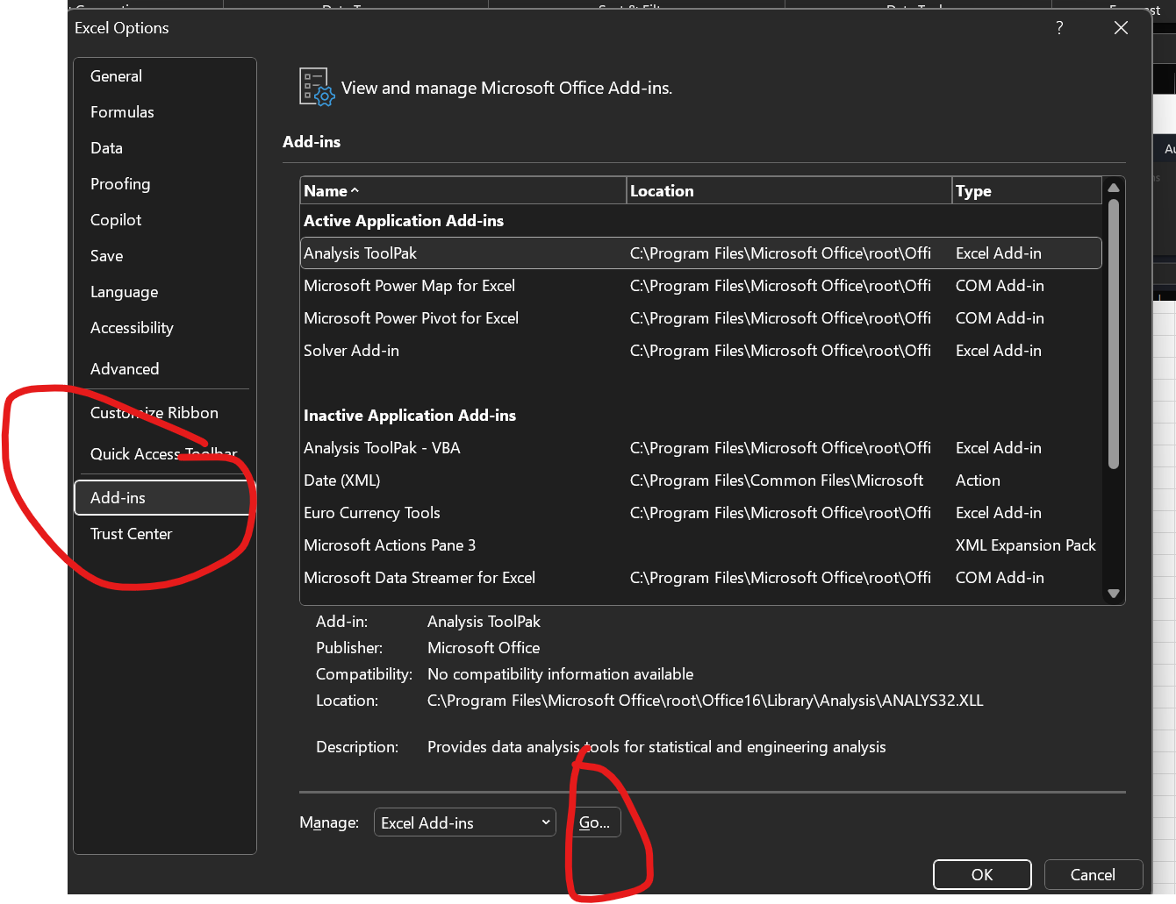
0.5 | -0.69314718056
0.5 | -0.69314718056
0.5 | -0.69314718056
0.5 | -0.69314718056
0.5 | -0.69314718056
0.5 | -0.69314718056
0.5 | -0.69314718056
0.5 | -0.69314718056
0.5 | -0.69314718056
0.5 | -0.69314718056
0.5 | -0.69314718056
0.5 | -0.69314718056
0.5 | -0.69314718056
0.5 | -0.69314718056
0.5 | -0.69314718056
0.5 | -0.69314718056
0.5 | -0.69314718056
0.5 | -0.69314718056
0.5 | -0.69314718056
0.5 | -0.69314718056
0.5 | -0.69314718056
0.5 | -0.69314718056
0.5 | -0.69314718056
0.5 | -0.69314718056
0.5 | -0.69314718056
0.5 | -0.69314718056
0.5 | -0.69314718056
0.5 | -0.69314718056
0.5 | -0.69314718056
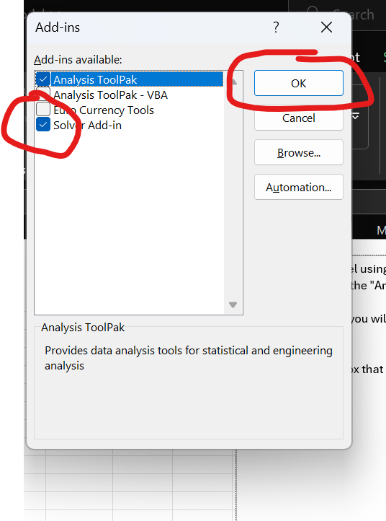
0.5 | -0.69314718056
0.5 | -0.69314718056
0.5 | -0.69314718056
0.5 | -0.69314718056
0.5 | -0.69314718056
0.5 | -0.69314718056
0.5 | -0.69314718056
0.5 | -0.69314718056
0.5 | -0.69314718056
0.5 | -0.69314718056
...

3. Using Solver
In general, solver changes values of one set of cells in order to optimize the value of another cell, according to a particular criteria.
In this case, we want to change the values of I2-I3 so that we minimize the error value in I4.
To do this , go to the Data Tab and click the solver button on the far right. Then fill out the appropiate options from the pop-up menu:
1. In the "set objective" box input the error value cell I4
2. For "to" select "Min"
3. In the "Changing Variables" box, input the cells with the coefficient values "I2-I3"
Click solve and you will calculate the values for the logistic model.
We get b0=-8.18, b1=0.098
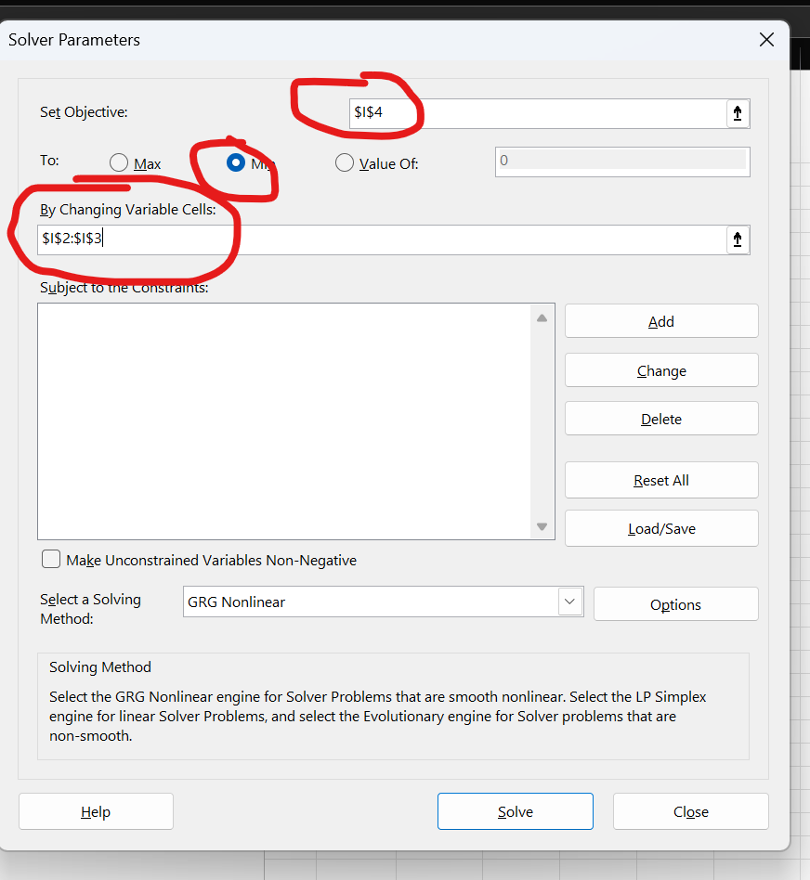
Predicted Probability | Log Likelihood
0.94057515766 | -2.8230429188 | b0 | -8.1777711139
0.88875210038 | -0.11793693458 | b1 | 0.097674556354
0.96909669 | -0.031390888788 | Neg LL | 57.035605768
0.98813523703 | -0.011935711013
0.95900622827 | -0.041857709576
0.76834440213 | -0.26351720608
0.86792188524 | -0.14165356233
0.71217328141 | -1.2453966515
0.91459533393 | -0.089273569527
0.94057515766 | -0.061263720986
0.69174458262 | -0.36853849176
0.96603359083 | -0.034556672263
0.92866957779 | -0.074002278576
0.95498942766 | -0.046055009075
0.64861092629 | -1.0458611973
0.99772322085 | -0.0022793749512
0.97888022153 | -0.021345991708
0.92866957779 | -0.074002278576
0.86792188524 | -0.14165356233
0.76834440213 | -0.26351720608
0.94580530707 | -0.055718537592
0.98922743038 | -0.010831013854
0.9744403957 | -0.025891925885
0.8012834646 | -0.22154050613
0.94580530707 | -0.055718537592
0.75050580543 | -0.28700789253
...

4. Exercise 1
Here is some data with departure times for a different airport.
Fill in the appropriate formulas then use Solver to create a logistic model for this data.
Using the Solver Reminder:
To do this , go to the Data Tab and click the solver button on the far right. Then fill out the appropiate options from the pop-up menu:
1. In the "set objective" box input the error value Neg LL
2. For "to" select "Min"
3. In the "Changing Variables" box, input the cells with the coefficient values
Linear Predictor (Bounded) | Predicted Probability | Log Likelihood
 |  |  | b0
 |  |  | b1
 |  |  | Neg LL
...

5. Multipe Variables
Just like with linear regression, we can use multiple input variables in logisitc regression.
In this case, when predicting with a person arrives to the airport on time, we have a variable both for when they departed, and how many minutes they spent in rush hour traffic,
In this case, our model predicts log-odds as a linear combination of both these values. We need to add an additional coefficient to our model, b2 in I4, and change the formula we use in column D, to =$J$2+$J$3*A2+$J$4*B2
Then we set up columns E-G as before and run Solver, making sure to include J4 within the variable to alter.
Note that this model has a lower total error than the previous one.
Predicted Probability | Log Likelihood
0.80645691282 | -1.6422551185 | b0 | -5.7362862852
0.98007630971 | -0.020124843301 | b1 | 0.091733402193
0.95311551659 | -0.048019169041 | b2 | -0.17037094339
0.99318895345 | -0.0068343475948 | Neg LL | 50.280642415
0.9482570438 | -0.053129670228
0.95564327318 | -0.045370580772
0.57303458562 | -0.55680920525
0.2744758771 | -0.32086095718
0.93060224126 | -0.071923331168
0.76424493638 | -0.26886694384
0.93721442312 | -0.064843182882
0.98172010782 | -0.018449033841
0.95819994269 | -0.042698814347
0.95253013758 | -0.048633531982
0.92551274818 | -2.5971272848
0.99863604521 | -0.0013648858188
0.99611570602 | -0.00389185744
0.98731273308 | -0.012768437573
0.80053800889 | -0.22247126624
0.86321936635 | -0.14708642976
0.95713280706 | -0.043813122798
0.99795243841 | -0.0020496607133
0.9753796405 | -0.024928508902
0.96280179739 | -0.037907706235
0.97191442568 | -0.028487517822
0.95158811388 | -0.049622991301
...

4. Exercise 2
Using this data, create a multi-variable logistic model using solver
Linear Predictor (Bounded) | Predicted Probability | Log Likelihood
 |  |  | b0
 |  |  | b1
 |  |  | b2
 |  |  | Neg LL
...

