nba_dat
This table contains data from the NBA 2022 season and can be found here: https://www.kaggle.com/datasets/drgilermo/nba-players-stats?select=Seasons_Stats.csv
We will be using this data set for all of our explanations and exposition.
There is a key below which outlines the statistics we are going to examine in this case.
 | Unnamed: 0 | Season | Player | Pos | Age | Tm | G | GS | MP | FG | FGA | FG% | 3P | 3PA | 3P% | 2P | 2PA | 2P% | eFG% | FT | FTA | FT% | ORB | DRB | TRB | AST | STL | BLK | TOV | PF | PTS | TO/36 | PF/36 | STL/36
28852 | 345 | 2022 | Al Horford | C | 35 | BOS | 69 | 69 | 2005 | 266 | 569 | 0.467 | 89 | 265 | 0.336 | 177 | 304 | 0.582 | 0.546 | 80 | 95 | 0.842 | 108 | 422 | 530 | 232 | 49 | 92 | 65 | 130 | 701 | 1.1670822943 | 2.3341645885 | 0.87980049875 | 0.14237227065
29039 | 532 | 2022 | Shake Milton | SG | 25 | PHI | 55 | 6 | 1179 | 173 | 403 | 0.429 | 43 | 133 | 0.323 | 130 | 270 | 0.481 | 0.483 | 61 | 73 | 0.836 | 30 | 112 | 142 | 139 | 28 | 17 | 44 | 99 | 450 | 1.3435114504 | 3.0229007634 | 0.85496183206 | 0.86163864211
28845 | 338 | 2022 | Justin Holiday | SF | 32 | IND | 49 | 40 | 1416 | 190 | 458 | 0.415 | 127 | 336 | 0.378 | 63 | 122 | 0.516 | 0.553 | 34 | 41 | 0.829 | 18 | 117 | 135 | 90 | 36 | 18 | 49 | 105 | 541 | 1.2457627119 | 2.6694915254 | 0.91525423729 | 0.27279640217
28769 | 262 | 2022 | Josh Giddey | SF | 19 | OKC | 54 | 54 | 1700 | 281 | 670 | 0.419 | 56 | 213 | 0.263 | 225 | 457 | 0.492 | 0.461 | 56 | 79 | 0.709 | 98 | 323 | 421 | 345 | 51 | 20 | 171 | 88 | 674 | 3.6211764706 | 1.8635294118 | 1.08 | 0.94468363278
29004 | 497 | 2022 | Kenyon Martin Jr. | SF | 21 | HOU | 79 | 2 | 1656 | 279 | 523 | 0.533 | 60 | 168 | 0.357 | 219 | 355 | 0.617 | 0.591 | 78 | 123 | 0.634 | 80 | 217 | 297 | 101 | 34 | 40 | 60 | 113 | 696 | 1.3043478261 | 2.4565217391 | 0.73913043478 | 0.41081535514
29276 | 769 | 2022 | Myles Turner | C | 25 | IND | 42 | 42 | 1235 | 200 | 393 | 0.509 | 61 | 183 | 0.333 | 139 | 210 | 0.662 | 0.587 | 79 | 105 | 0.752 | 65 | 232 | 297 | 44 | 28 | 118 | 54 | 119 | 540 | 1.5740890688 | 3.4688259109 | 0.81619433198 | 0.1667773197
29016 | 509 | 2022 | CJ McCollum | SG | 30 | POR | 36 | 36 | 1267 | 290 | 665 | 0.436 | 111 | 289 | 0.384 | 179 | 376 | 0.476 | 0.52 | 48 | 68 | 0.706 | 34 | 119 | 153 | 163 | 36 | 21 | 70 | 77 | 739 | 1.9889502762 | 2.1878453039 | 1.0228887135 | 0.58431580872
28568 | 61 | 2022 | Khem Birch | C | 29 | TOR | 55 | 28 | 991 | 97 | 200 | 0.485 | 0 | 14 | 0 | 97 | 186 | 0.522 | 0.485 | 53 | 71 | 0.746 | 122 | 117 | 239 | 56 | 30 | 26 | 29 | 104 | 247 | 1.053481332 | 3.7780020182 | 1.0898082745 | 0.21375673068
29128 | 621 | 2022 | Otto Porter Jr. | PF | 28 | GSW | 63 | 15 | 1396 | 193 | 416 | 0.464 | 80 | 216 | 0.37 | 113 | 200 | 0.565 | 0.56 | 49 | 61 | 0.803 | 86 | 276 | 362 | 94 | 68 | 29 | 37 | 83 | 515 | 0.95415472779 | 2.1404011461 | 1.7535816619 | 0.59358158657
28788 | 281 | 2022 | Josh Green | SG | 21 | DAL | 67 | 3 | 1039 | 130 | 256 | 0.508 | 28 | 78 | 0.359 | 102 | 178 | 0.573 | 0.563 | 31 | 45 | 0.689 | 52 | 109 | 161 | 79 | 45 | 14 | 44 | 115 | 319 | 1.5245428296 | 3.9846005775 | 1.5591915303 | 0.24281611722
28571 | 64 | 2022 | Nemanja Bjelica | C | 33 | GSW | 71 | 0 | 1142 | 160 | 342 | 0.468 | 54 | 149 | 0.362 | 106 | 193 | 0.549 | 0.547 | 59 | 81 | 0.728 | 62 | 232 | 294 | 159 | 41 | 26 | 87 | 128 | 433 | 2.7425569177 | 4.0350262697 | 1.292469352 | 0.45725579119
28744 | 237 | 2022 | Evan Fournier | SG | 29 | NYK | 80 | 80 | 2358 | 402 | 965 | 0.417 | 241 | 619 | 0.389 | 161 | 346 | 0.465 | 0.541 | 80 | 113 | 0.708 | 34 | 176 | 210 | 171 | 79 | 20 | 105 | 180 | 1125 | 1.6030534351 | 2.7480916031 | 1.2061068702 | 0.25251559596
29136 | 629 | 2022 | Norman Powell | SF-SG | 28 | TOT | 45 | 41 | 1458 | 279 | 605 | 0.461 | 106 | 253 | 0.419 | 173 | 352 | 0.491 | 0.549 | 189 | 233 | 0.811 | 20 | 125 | 145 | 96 | 42 | 21 | 69 | 106 | 853 | 1.7037037037 | 2.6172839506 | 1.037037037 | 0.5333749929
29271 | 764 | 2022 | Gary Trent Jr. | SG | 23 | TOR | 70 | 69 | 2448 | 450 | 1086 | 0.414 | 209 | 545 | 0.383 | 241 | 541 | 0.445 | 0.511 | 174 | 204 | 0.853 | 26 | 165 | 191 | 141 | 122 | 19 | 73 | 144 | 1283 | 1.0735294118 | 2.1176470588 | 1.7941176471 | 0.22959271037
28808 | 301 | 2022 | Gary Harris | SG | 27 | ORL | 61 | 30 | 1730 | 240 | 553 | 0.434 | 116 | 302 | 0.384 | 124 | 251 | 0.494 | 0.539 | 83 | 95 | 0.874 | 36 | 86 | 122 | 108 | 59 | 9 | 61 | 112 | 679 | 1.2693641618 | 2.3306358382 | 1.2277456647 | 0.30774762956
28766 | 259 | 2022 | Rudy Gay | PF | 35 | UTA | 55 | 1 | 1038 | 157 | 379 | 0.414 | 70 | 203 | 0.345 | 87 | 176 | 0.494 | 0.507 | 62 | 79 | 0.785 | 55 | 187 | 242 | 56 | 25 | 19 | 47 | 95 | 446 | 1.6300578035 | 3.2947976879 | 0.86705202312 | 0.35589428939
29179 | 672 | 2022 | Domantas Sabonis | PF | 25 | IND | 47 | 46 | 1632 | 331 | 571 | 0.58 | 35 | 108 | 0.324 | 296 | 463 | 0.639 | 0.61 | 191 | 258 | 0.74 | 155 | 412 | 567 | 236 | 46 | 22 | 143 | 146 | 888 | 3.1544117647 | 3.2205882353 | 1.0147058824 | 0.15707696283
28709 | 202 | 2022 | Chris Duarte | SG | 24 | IND | 55 | 39 | 1541 | 268 | 621 | 0.432 | 94 | 255 | 0.369 | 174 | 366 | 0.475 | 0.507 | 90 | 112 | 0.804 | 41 | 185 | 226 | 114 | 56 | 10 | 90 | 95 | 720 | 2.1025308241 | 2.2193380921 | 1.3082414017 | 0.62585285882
28650 | 143 | 2022 | Mike Conley | PG | 34 | UTA | 72 | 72 | 2058 | 344 | 791 | 0.435 | 169 | 414 | 0.408 | 175 | 377 | 0.464 | 0.542 | 129 | 162 | 0.796 | 47 | 170 | 217 | 385 | 96 | 21 | 123 | 142 | 986 | 2.1516034985 | 2.4839650146 | 1.6793002915 | 0.13050125746
29032 | 525 | 2022 | Khris Middleton | SF | 30 | MIL | 66 | 66 | 2141 | 452 | 1021 | 0.443 | 162 | 434 | 0.373 | 290 | 587 | 0.494 | 0.522 | 259 | 291 | 0.89 | 41 | 315 | 356 | 358 | 76 | 18 | 190 | 160 | 1325 | 3.1947687996 | 2.6903316207 | 1.2779075199 | 0.31188704825
29123 | 616 | 2022 | Aleksej Pokusevski | PF | 20 | OKC | 61 | 12 | 1233 | 186 | 456 | 0.408 | 57 | 197 | 0.289 | 129 | 259 | 0.498 | 0.47 | 35 | 50 | 0.7 | 73 | 245 | 318 | 131 | 39 | 38 | 94 | 88 | 464 | 2.7445255474 | 2.5693430657 | 1.1386861314 | 0.99189265371
28995 | 488 | 2022 | Tre Mann | PG | 20 | OKC | 60 | 26 | 1367 | 231 | 588 | 0.393 | 98 | 272 | 0.36 | 133 | 316 | 0.421 | 0.476 | 65 | 82 | 0.793 | 25 | 146 | 171 | 91 | 47 | 12 | 71 | 102 | 625 | 1.8697878566 | 2.6861741039 | 1.237746891 | 0.14744465048
29234 | 727 | 2022 | Isaiah Stewart | C | 20 | DET | 71 | 71 | 1816 | 250 | 490 | 0.51 | 15 | 46 | 0.326 | 235 | 444 | 0.529 | 0.526 | 74 | 103 | 0.718 | 226 | 391 | 617 | 82 | 22 | 78 | 85 | 211 | 589 | 1.6850220264 | 4.1828193833 | 0.43612334802 | 0.85855585886
29310 | 803 | 2022 | Coby White | PG | 21 | CHI | 61 | 17 | 1675 | 279 | 644 | 0.433 | 136 | 353 | 0.385 | 143 | 291 | 0.491 | 0.539 | 78 | 91 | 0.857 | 17 | 165 | 182 | 176 | 29 | 11 | 70 | 137 | 772 | 1.5044776119 | 2.9444776119 | 0.62328358209 | 0.67697020801
29285 | 778 | 2022 | Nikola VuÄeviÄ‡ | C | 31 | CHI | 73 | 73 | 2418 | 546 | 1154 | 0.473 | 104 | 331 | 0.314 | 442 | 823 | 0.537 | 0.518 | 92 | 121 | 0.76 | 142 | 662 | 804 | 236 | 70 | 71 | 136 | 181 | 1288 | 2.0248138958 | 2.6947890819 | 1.0421836228 | 0.31003572643
29199 | 692 | 2022 | Pascal Siakam | PF | 27 | TOR | 68 | 68 | 2578 | 596 | 1207 | 0.494 | 75 | 218 | 0.344 | 521 | 989 | 0.527 | 0.525 | 284 | 379 | 0.749 | 128 | 452 | 580 | 360 | 85 | 42 | 181 | 225 | 1551 | 2.5275407292 | 3.1419705198 | 1.1869666408 | 0.7574600844
29000 | 493 | 2022 | Cody Martin | SF | 26 | CHO | 71 | 11 | 1866 | 204 | 423 | 0.482 | 61 | 159 | 0.384 | 143 | 264 | 0.542 | 0.554 | 75 | 107 | 0.701 | 82 | 203 | 285 | 179 | 88 | 32 | 61 | 116 | 544 | 1.1768488746 | 2.2379421222 | 1.6977491961 | 0.067441775682
29087 | 580 | 2022 | Royce O'Neale | SF | 28 | UTA | 77 | 77 | 2406 | 203 | 444 | 0.457 | 119 | 306 | 0.389 | 84 | 138 | 0.609 | 0.591 | 45 | 56 | 0.804 | 64 | 304 | 368 | 191 | 86 | 32 | 79 | 183 | 570 | 1.1820448878 | 2.7381546135 | 1.2867830424 | 0.65459237025
29126 | 619 | 2022 | Kevin Porter Jr. | PG | 21 | HOU | 61 | 61 | 1907 | 335 | 808 | 0.415 | 155 | 413 | 0.375 | 180 | 395 | 0.456 | 0.511 | 124 | 193 | 0.642 | 43 | 224 | 267 | 376 | 69 | 22 | 192 | 156 | 949 | 3.6245411641 | 2.9449396959 | 1.3025694809 | 0.16760426558
29131 | 624 | 2022 | Kristaps PorziÅ†Ä£is | PF | 26 | DAL | 34 | 34 | 1002 | 229 | 508 | 0.451 | 49 | 173 | 0.283 | 180 | 335 | 0.537 | 0.499 | 147 | 170 | 0.865 | 64 | 197 | 261 | 69 | 25 | 59 | 53 | 88 | 654 | 1.9041916168 | 3.1616766467 | 0.89820359281 | 0.7778197036
28819 | 312 | 2022 | Killian Hayes | PG | 20 | DET | 66 | 40 | 1647 | 176 | 459 | 0.383 | 44 | 167 | 0.263 | 132 | 292 | 0.452 | 0.431 | 57 | 74 | 0.77 | 36 | 174 | 210 | 277 | 78 | 35 | 111 | 183 | 453 | 2.4262295082 | 4 | 1.7049180328 | 0.83440566036
29318 | 811 | 2022 | Andrew Wiggins | SF | 26 | GSW | 73 | 73 | 2329 | 475 | 1019 | 0.466 | 157 | 399 | 0.393 | 318 | 620 | 0.513 | 0.543 | 149 | 235 | 0.634 | 85 | 240 | 325 | 161 | 76 | 51 | 111 | 158 | 1256 | 1.715757836 | 2.4422498927 | 1.1747531129 | 0.69007533692
29322 | 815 | 2022 | Kenrich Williams | SF | 27 | OKC | 49 | 0 | 1072 | 146 | 317 | 0.461 | 41 | 121 | 0.339 | 105 | 196 | 0.536 | 0.525 | 30 | 55 | 0.545 | 75 | 145 | 220 | 108 | 44 | 10 | 46 | 81 | 363 | 1.5447761194 | 2.7201492537 | 1.4776119403 | 0.5285955494
28630 | 123 | 2022 | Wendell Carter Jr. | PF | 22 | ORL | 62 | 61 | 1852 | 359 | 684 | 0.525 | 70 | 214 | 0.327 | 289 | 470 | 0.615 | 0.576 | 143 | 207 | 0.691 | 139 | 509 | 648 | 171 | 36 | 43 | 117 | 169 | 931 | 2.2742980562 | 3.2850971922 | 0.69978401728 | 0.15552640017
28813 | 306 | 2022 | Josh Hart | SG | 26 | NOP | 41 | 40 | 1374 | 195 | 386 | 0.505 | 42 | 130 | 0.323 | 153 | 256 | 0.598 | 0.56 | 116 | 154 | 0.753 | 53 | 265 | 318 | 168 | 45 | 11 | 81 | 118 | 548 | 2.1222707424 | 3.0917030568 | 1.1790393013 | 0.72273880277
29052 | 545 | 2022 | Ja Morant | PG | 22 | MEM | 57 | 57 | 1889 | 580 | 1177 | 0.493 | 88 | 256 | 0.344 | 492 | 921 | 0.534 | 0.53 | 316 | 415 | 0.761 | 77 | 248 | 325 | 384 | 66 | 22 | 196 | 86 | 1564 | 3.7353096877 | 1.638962414 | 1.2578083642 | 0.0060782869465
28646 | 139 | 2022 | Amir Coffey | SG | 24 | LAC | 69 | 30 | 1567 | 211 | 466 | 0.453 | 96 | 254 | 0.378 | 115 | 212 | 0.542 | 0.556 | 101 | 117 | 0.863 | 26 | 171 | 197 | 124 | 38 | 15 | 45 | 87 | 619 | 1.0338225909 | 1.9987236758 | 0.87300574346 | 0.70344901002
28718 | 211 | 2022 | CJ Elleby | SF | 21 | POR | 58 | 28 | 1174 | 121 | 308 | 0.393 | 37 | 126 | 0.294 | 84 | 182 | 0.462 | 0.453 | 60 | 84 | 0.714 | 66 | 161 | 227 | 87 | 35 | 19 | 56 | 116 | 339 | 1.7172061329 | 3.5570698467 | 1.073253833 | 0.70345416368
28694 | 187 | 2022 | Ayo Dosunmu | SG | 22 | CHI | 77 | 40 | 2110 | 278 | 535 | 0.52 | 70 | 186 | 0.376 | 208 | 349 | 0.596 | 0.585 | 53 | 78 | 0.679 | 27 | 187 | 214 | 256 | 60 | 29 | 108 | 182 | 679 | 1.8426540284 | 3.1052132701 | 1.0236966825 | 0.38426765954
29268 | 761 | 2022 | Obi Toppin | PF | 23 | NYK | 72 | 10 | 1230 | 251 | 473 | 0.531 | 52 | 169 | 0.308 | 199 | 304 | 0.655 | 0.586 | 94 | 124 | 0.758 | 69 | 199 | 268 | 77 | 25 | 33 | 56 | 102 | 648 | 1.6390243902 | 2.9853658537 | 0.73170731707 | 0.95259172921
29270 | 763 | 2022 | Karl-Anthony Towns | C | 26 | MIN | 74 | 74 | 2476 | 642 | 1214 | 0.529 | 150 | 366 | 0.41 | 492 | 848 | 0.58 | 0.591 | 384 | 467 | 0.822 | 194 | 533 | 727 | 269 | 72 | 83 | 226 | 267 | 1818 | 3.2859450727 | 3.8820678514 | 1.0468497577 | 0.17439225224
29309 | 802 | 2022 | Russell Westbrook | PG | 33 | LAL | 78 | 78 | 2678 | 548 | 1233 | 0.444 | 79 | 265 | 0.298 | 469 | 968 | 0.485 | 0.476 | 266 | 399 | 0.667 | 110 | 470 | 580 | 550 | 75 | 20 | 295 | 235 | 1441 | 3.9656460045 | 3.1590739358 | 1.0082150859 | 0.14675010958
28560 | 53 | 2022 | DeAndre' Bembry | SF | 27 | TOT | 56 | 20 | 1026 | 124 | 221 | 0.561 | 15 | 36 | 0.417 | 109 | 185 | 0.589 | 0.595 | 21 | 35 | 0.6 | 42 | 121 | 163 | 66 | 49 | 25 | 31 | 113 | 284 | 1.0877192982 | 3.9649122807 | 1.7192982456 | 0.44178118411
28785 | 278 | 2022 | JaMychal Green | PF | 31 | DEN | 67 | 8 | 1085 | 159 | 327 | 0.486 | 33 | 124 | 0.266 | 126 | 203 | 0.621 | 0.537 | 81 | 93 | 0.871 | 81 | 200 | 281 | 59 | 43 | 26 | 57 | 158 | 432 | 1.8912442396 | 5.2423963134 | 1.4267281106 | 0.7938506923
28641 | 134 | 2022 | Josh Christopher | SG | 20 | HOU | 74 | 2 | 1334 | 224 | 500 | 0.448 | 56 | 189 | 0.296 | 168 | 311 | 0.54 | 0.504 | 83 | 113 | 0.735 | 52 | 134 | 186 | 150 | 65 | 13 | 114 | 97 | 587 | 3.0764617691 | 2.6176911544 | 1.7541229385 | 0.71665786107
...

1. Scatterplot Exercises
In this activity we're going to look at some real NBA data. First we're going to use it to create scatterplots.
1. Create scatterplots to examine the following corellations (Points Scored will be our Dependant Variable on the Y-Axis): a. Age vs Points Scored
b. Minutes Played vs Points Scored
c. Two Pointers Made vs Points Scored
d. Tunrovers vs Points Scored
e. Rebounds vs Points Scored
2. Describe each correlation pattern and provide reasons for why you think it may hold or not.
3. Pick two out of the indepedent variables (any variables other than PTS) you used in question one and check the correlation between them. What do you notice there?
AGE | MP | 2P | TRB | TOV | PTS
35 | 2005 | 177 | 530 | 65 | 701
25 | 1179 | 130 | 142 | 44 | 450 | 1a. Age vs Points Scored
32 | 1416 | 63 | 135 | 49 | 541
19 | 1700 | 225 | 421 | 171 | 674
21 | 1656 | 219 | 297 | 60 | 696
25 | 1235 | 139 | 297 | 54 | 540
30 | 1267 | 179 | 153 | 70 | 739
29 | 991 | 97 | 239 | 29 | 247
28 | 1396 | 113 | 362 | 37 | 515
21 | 1039 | 102 | 161 | 44 | 319
33 | 1142 | 106 | 294 | 87 | 433
29 | 2358 | 161 | 210 | 105 | 1125
28 | 1458 | 173 | 145 | 69 | 853
23 | 2448 | 241 | 191 | 73 | 1283
27 | 1730 | 124 | 122 | 61 | 679
35 | 1038 | 87 | 242 | 47 | 446
25 | 1632 | 296 | 567 | 143 | 888
24 | 1541 | 174 | 226 | 90 | 720
34 | 2058 | 175 | 217 | 123 | 986 | 1b. Minutes Played vs Points Scored
30 | 2141 | 290 | 356 | 190 | 1325
20 | 1233 | 129 | 318 | 94 | 464
20 | 1367 | 133 | 171 | 71 | 625
20 | 1816 | 235 | 617 | 85 | 589
21 | 1675 | 143 | 182 | 70 | 772
31 | 2418 | 442 | 804 | 136 | 1288
27 | 2578 | 521 | 580 | 181 | 1551
Key:
• AGE Player's Age
• MP Minutes Played
• 2P Two Pointer's Made
• TRB Rebounds
• TOV Turnovers
• PTS Points Scored
26 | 1866 | 143 | 285 | 61 | 544
28 | 2406 | 84 | 368 | 79 | 570
21 | 1907 | 180 | 267 | 192 | 949
26 | 1002 | 180 | 261 | 53 | 654
20 | 1647 | 132 | 210 | 111 | 453
26 | 2329 | 318 | 325 | 111 | 1256
27 | 1072 | 105 | 220 | 46 | 363
22 | 1852 | 289 | 648 | 117 | 931
26 | 1374 | 153 | 318 | 81 | 548
22 | 1889 | 492 | 325 | 196 | 1564 | 1c. Two Pointers Made vs Points Scored
24 | 1567 | 115 | 197 | 45 | 619
21 | 1174 | 84 | 227 | 56 | 339
22 | 2110 | 208 | 214 | 108 | 679
23 | 1230 | 199 | 268 | 56 | 648
26 | 2476 | 492 | 727 | 226 | 1818
33 | 2678 | 469 | 580 | 295 | 1441
27 | 1026 | 109 | 163 | 31 | 284
...

2. Regression coefficients
Rebounds~Points
We saw previously, how excel lets you add a trendline to a scatter point. This line is simply the line of best fit as calculated by linear regression.
As a useful additional feature, you can also display the equation for the line of best on the chart, and you can use these values to make predictions according to the linear regression model.
To do this:
1. Add a trendline (or the line of best fit) : Select the Scatterplot you created, then select the Chart design tab from the ribbon on top. Click the Add Chart Element button, select Trendline, then Linear.
2. Display the equation for the trendline (or the line of best fit): Click on or select the trendline and rigth click. Select Format Trendline and then check "Display Equation on Chart".
(See the screenshots below)
The trend line is given in the form y=(Slope)x+(Intercept) or y=mx=b. Our line of best fit tells us that the predicted number of points for a player is 1.5557*TRV + 402.45
We use this to make a prediction for mystery player X in cell J27. Examine the formula to see how it is nearly the same as the trendline.
Age | MP | 2P | TRB | TOV | PTS
35 | 2005 | 177 | 530 | 65 | 701
25 | 1179 | 130 | 142 | 44 | 450
32 | 1416 | 63 | 135 | 49 | 541
19 | 1700 | 225 | 421 | 171 | 674
21 | 1656 | 219 | 297 | 60 | 696
25 | 1235 | 139 | 297 | 54 | 540
30 | 1267 | 179 | 153 | 70 | 739
29 | 991 | 97 | 239 | 29 | 247
28 | 1396 | 113 | 362 | 37 | 515
21 | 1039 | 102 | 161 | 44 | 319
33 | 1142 | 106 | 294 | 87 | 433
29 | 2358 | 161 | 210 | 105 | 1125
28 | 1458 | 173 | 145 | 69 | 853
23 | 2448 | 241 | 191 | 73 | 1283
27 | 1730 | 124 | 122 | 61 | 679
35 | 1038 | 87 | 242 | 47 | 446
25 | 1632 | 296 | 567 | 143 | 888
24 | 1541 | 174 | 226 | 90 | 720
34 | 2058 | 175 | 217 | 123 | 986
30 | 2141 | 290 | 356 | 190 | 1325 | Coefficients
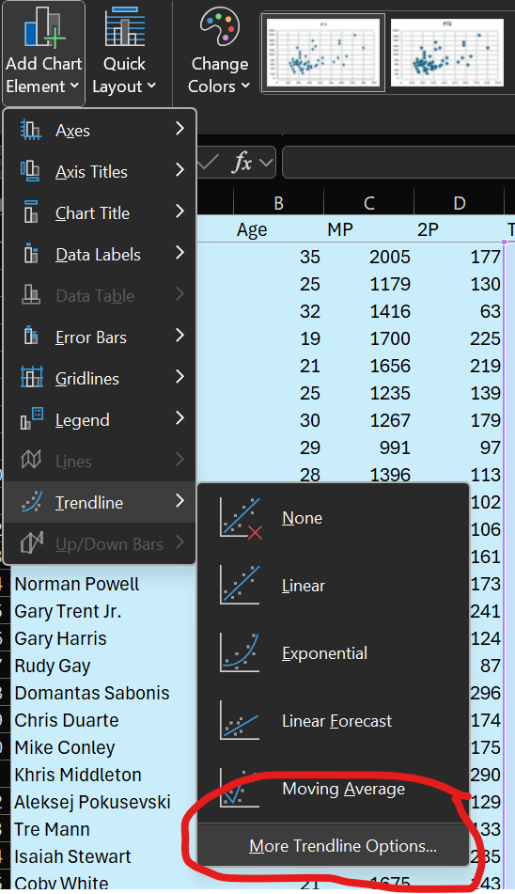
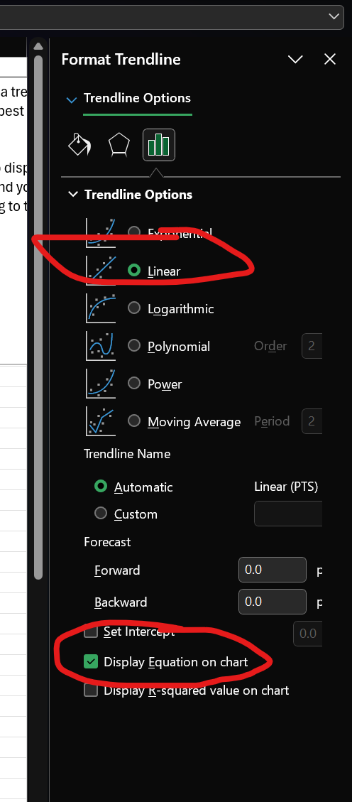
20 | 1233 | 129 | 318 | 94 | 464 | Intercept (b) | 402.45
20 | 1367 | 133 | 171 | 71 | 625 | Slope (m) | 1.557
20 | 1816 | 235 | 617 | 85 | 589
21 | 1675 | 143 | 182 | 70 | 772 | Player X
31 | 2418 | 442 | 804 | 136 | 1288 | Rebounds | 725
27 | 2578 | 521 | 580 | 181 | 1551 | Predicted Points | 1531.275
26 | 1866 | 143 | 285 | 61 | 544
28 | 2406 | 84 | 368 | 79 | 570
 | 1907 | 180 | 267 | 192 | 949
 | 1002 | 180 | 261 | 53 | 654
 | 1647 | 132 | 210 | 111 | 453
 | 2329 | 318 | 325 | 111 | 1256
 | 1072 | 105 | 220 | 46 | 363
 | 1852 | 289 | 648 | 117 | 931
 | 1374 | 153 | 318 | 81 | 548
Key:
• AGE Player's Age
• MP Minutes Played
• 2P Two Pointer's Made
• TRB Rebounds
• TOV Turnovers
• PTS Points Scored
 | 1889 | 492 | 325 | 196 | 1564
 | 1567 | 115 | 197 | 45 | 619
 | 1174 | 84 | 227 | 56 | 339
 | 2110 | 208 | 214 | 108 | 679
 | 1230 | 199 | 268 | 56 | 648
 | 2476 | 492 | 727 | 226 | 1818
 | 2678 | 469 | 580 | 295 | 1441
 | 1026 | 109 | 163 | 31 | 284
 | 1085 | 126 | 281 | 57 | 432
 | 1334 | 168 | 186 | 114 | 587
 | 1176 | 171 | 161 | 55 | 570
 | 1537 | 195 | 379 | 73 | 786
 | 1486 | 162 | 173 | 87 | 706
 | 1665 | 163 | 212 | 88 | 877
 | 1050 | 238 | 258 | 44 | 607
 | 2317 | 258 | 425 | 84 | 872
 | 1466 | 148 | 187 | 93 | 692

3. Trendline Exercises
Reminders:
Add a trendline (or the line of best fit): Select the Scatterplot you created, then select the Chart design tab from the ribbon on top. Click the Add Chart Element button, select Trendline, then Linear.
Display the equation for the trendline (or the line of best fit): Click on or select the trendline and rigth click. Select Format Trendline and then check "Display Equation on Chart".
Exercises:
1. Create a Scatterplot plotting Turnovers (TOV) against Points Scored (PTS).
2. Add a trendline and display its coefficients on your Scatterplot. Type them into J22 and J23.
3. Use the coefficient values to predict points scored for Payer Y in cell J27.
Age | MP | 2P | TRB | TOV | PTS
35 | 2005 | 177 | 530 | 65 | 701
25 | 1179 | 130 | 142 | 44 | 450
32 | 1416 | 63 | 135 | 49 | 541
19 | 1700 | 225 | 421 | 171 | 674
21 | 1656 | 219 | 297 | 60 | 696
25 | 1235 | 139 | 297 | 54 | 540
30 | 1267 | 179 | 153 | 70 | 739
29 | 991 | 97 | 239 | 29 | 247
28 | 1396 | 113 | 362 | 37 | 515
21 | 1039 | 102 | 161 | 44 | 319
33 | 1142 | 106 | 294 | 87 | 433
29 | 2358 | 161 | 210 | 105 | 1125
28 | 1458 | 173 | 145 | 69 | 853
23 | 2448 | 241 | 191 | 73 | 1283
27 | 1730 | 124 | 122 | 61 | 679
35 | 1038 | 87 | 242 | 47 | 446
25 | 1632 | 296 | 567 | 143 | 888
24 | 1541 | 174 | 226 | 90 | 720
34 | 2058 | 175 | 217 | 123 | 986
30 | 2141 | 290 | 356 | 190 | 1325 | Coefficients |  | Tunrovers vs Points Scored
20 | 1233 | 129 | 318 | 94 | 464 | Intercept
20 | 1367 | 133 | 171 | 71 | 625 | Slope
20 | 1816 | 235 | 617 | 85 | 589
21 | 1675 | 143 | 182 | 70 | 772 | Player Y
31 | 2418 | 442 | 804 | 136 | 1288 | Turnovers | 205
27 | 2578 | 521 | 580 | 181 | 1551 | Predicted Points
26 | 1866 | 143 | 285 | 61 | 544
Key:
• AGE Player's Age
• MP Minutes Played
• 2P Two Pointer's Made
• TRB Rebounds
• TOV Turnovers
• PTS Points Scored
28 | 2406 | 84 | 368 | 79 | 570
 | 1907 | 180 | 267 | 192 | 949
 | 1002 | 180 | 261 | 53 | 654
 | 1647 | 132 | 210 | 111 | 453
 | 2329 | 318 | 325 | 111 | 1256
 | 1072 | 105 | 220 | 46 | 363
 | 1852 | 289 | 648 | 117 | 931
 | 1374 | 153 | 318 | 81 | 548
 | 1889 | 492 | 325 | 196 | 1564
 | 1567 | 115 | 197 | 45 | 619
 | 1174 | 84 | 227 | 56 | 339
 | 2110 | 208 | 214 | 108 | 679
 | 1230 | 199 | 268 | 56 | 648
 | 2476 | 492 | 727 | 226 | 1818
 | 2678 | 469 | 580 | 295 | 1441
 | 1026 | 109 | 163 | 31 | 284
 | 1085 | 126 | 281 | 57 | 432
...

4. Prediction and Error
In last sheet, we used the coefficients from our line of best fit to make a prediction for a mystery player. We can use the same method to predict points for every player in our dataset and check the accuracy of our model.
1. For each row, we generate predicted points by multiply rebounds by the slope and adding the intercept in column H.
2. We can calculate the error by subtracting actual points from predicted points in column I.
3. We can measure the accuracy of the model by calculating the Sum of Squared Errors (SSE) . We could do this manually by adding an additional column with the squares of each error. However, excel has the built in function "SUMSQ" which does this automatically for a selected range.
The Sum of Squared Errors (SSE) measures a model's accuracy by summing the squares of the differences (residuals) between each observed data point and its corresponding predicted value from the model. A lower SSE values indicates better accuracy.
PTS | Prediction | Error
701 | 1227.66 | 526.66 | Coefficients
450 | 623.544 | 173.544 | Intercept | 402.45
541 | 612.645 | 71.645 | Slope | 1.557
674 | 1057.947 | 383.947 | SSE | 5590793.8354
696 | 864.879 | 168.879
540 | 864.879 | 324.879
739 | 640.671 | -98.329
247 | 774.573 | 527.573
515 | 966.084 | 451.084
319 | 653.127 | 334.127
433 | 860.208 | 427.208
1125 | 729.42 | -395.58
853 | 628.215 | -224.785
1283 | 699.837 | -583.163
679 | 592.404 | -86.596
446 | 779.244 | 333.244
888 | 1285.269 | 397.269
720 | 754.332 | 34.332
986 | 740.319 | -245.681
1325 | 956.742 | -368.258
464 | 897.576 | 433.576
625 | 668.697 | 43.697
589 | 1363.119 | 774.119
772 | 685.824 | -86.176
1288 | 1654.278 | 366.278
1551 | 1305.51 | -245.49
544 | 846.195 | 302.195
570 | 975.426 | 405.426
949 | 818.169 | -130.831
...

5. Error Exercises
Use the results from your linear regression for points based on turnovers from the previous exercise. (the incercept and slope should populate autmaticaly).
1. Calculate predicted points based on your model in column H.
2. Calculate error values in column I.
3. Calculate the sum of squared errors in L5.
4. Is the SSE value higher or lower than that for the previous model predicting points based on rebounds. Does this result suprise you?
PTS | Prediction | Error
701 |  |  | Coefficients
450 |  |  | Intercept | 0
541 |  |  | Slope | 0
674 |  |  | SSE
696
540
739
247
515
319
433
1125
853
1283
679
446
888
720
986
1325
464
625
589
772
1288
1551
544
...

6. Data analysis tools
Excel offers another way of performing linear regression analysis using the Data Analysis Tool. It is a bit more complicated at first but offers additional power when we want to create more advanced models later on.
To use the "data analysis" tool select the the data analysis button in the "Data" section of the top ribbon - see the screen shot to the right.
If you do not see this option, you may need to install it. Use this links for instructions: https://support.microsoft.com/en-us/office/load-the-analysis-toolpak-in-excel-6a63e598-cd6d-42e3-9317-6b40ba1a66b4
From the Data Analysis pop-up, select "regression", see screenshot.
In the next window, you must input the X and Y data for your regression, you can either enter cell references, or click on the little arrow icon and then select the cells. Note that you must use absolute reference, and that you don't include the cell with the variable name or you will get an error. In addition, all the independent varibles you are using must be next to each other, you'll have to rearrange your data if this is not the case.
You get the results either in a new worksheet or you can select a location within the current sheet. It displays a lot of statistics we don't need to worry about for now. We just need the intercept and coefficent values in L46-L47.
In this example, we took 2 point shots made in column D as the X values. We can use the regression outputs to calculate predicted values and errors as before.
PTS | Prediction | Error
701 | 697.73891666 | -3.2610833352 | Coefficients
450 | 565.56756779 | 115.56756779 | Intercept | 199.9872411
541 | 377.15309173 | -163.84690827 | Slope | 2.8121563591
674 | 832.7224219 | 158.7224219 | SSE | 1426010.2801
696 | 815.84948375 | 119.84948375
540 | 590.87697502 | 50.876975018
739 | 703.36322938 | -35.636770617
247 | 472.76640794 | 225.76640794
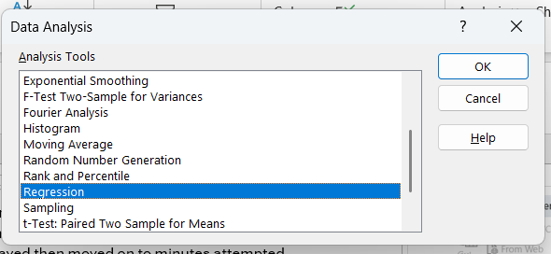
515 | 517.76090968 | 2.7609096814
319 | 486.82718973 | 167.82718973
433 | 498.07581517 | 65.075815168
1125 | 652.74441492 | -472.25558508
853 | 686.49029123 | -166.50970877
1283 | 877.71692365 | -405.28307635
679 | 548.69462963 | -130.30537037
446 | 444.64484434 | -1.3551556556
888 | 1032.3855234 | 144.3855234
720 | 689.30244759 | -30.697552413
986 | 692.11460395 | -293.88539605
1325 | 1015.5125852 | -309.48741476
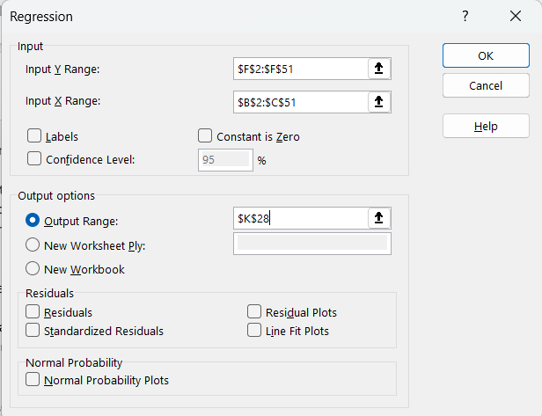
464 | 562.75541143 | 98.755411427
625 | 574.00403686 | -50.995963136
589 | 860.84398549 | 271.84398549
772 | 602.12560045 | -169.87439955
1288 | 1442.9603518 | 154.96035183
1551 | 1665.1207042 | 114.1207042
544 | 602.12560045 | 58.125600455
570 | 436.20837527 | -133.79162473
949 | 706.17538574 | -242.82461426 | SUMMARY OUTPUT
654 | 706.17538574 | 52.175385742
453 | 571.1918805 | 118.1918805 | Regression Statistics
1256 | 1094.2529633 | -161.7470367 | Multiple R | 0.88128598592
363 | 495.26365881 | 132.26365881 | R Square | 0.77666498897
931 | 1012.7004289 | 81.700428886 | Adjusted R Square | 0.77219828875
548 | 630.24716405 | 82.247164046 | Standard Error | 168.87926339
...
 |  |  |  |  | Upper 95% | Lower 95.0% | Upper 95.0%
 |  |  |  |  | 296.67674985 | 103.29773235 | 296.67674985
 |  |  |  |  | 3.2405081834 | 2.3838045348 | 3.2405081834
...

7. Data Analysis Tool Exercise
Now you will use the data analysis regression tool
1. Create a regression model of predicted points based on minutes played. Place the Summery Output in cell K16. Type the Slope and Intercept in L3 and L4.
2. Calculate predicted points and error values in columns H-I
3. Calculate the sum of squared errors (SEE) in L5
4. Of all the models we have created in this activity (in this entire excel file) which one has the lowest SSE? Why do you think this might be?
PTS | Prediction | Error
701 |  |  | Coefficients
450 |  |  | Intercept
541 |  |  | Slope
674 |  |  | SSE
696
540
739
247
515
319
433
1125
853
1283
679 |  |  | Place Summary Output Here
446
888
720
986
1325
464
625
589
...

