1. Charts in Excel
Often the best way to understand data is by presenting it visually. Excel allows you to easily display data in a range of different charts. To create a chart you perform the following steps:
1. Highlight the data you wish to use, in our case B1:C11
2. Click on the' insert' tab on the top ribbon, then select 'Recommended charts' (see screen shot)
3. Select the chart type you wish to use, in our case, we select scatterplot (see screen shot)
4. To edit the chart, you must first click on it, then select the chart design tab. Under this tab, the add chart element is often very useful (see screenshot)
Note that the precise layout of menus may vary, depending on your computer and version of excel. If the screenshots don't match what you are seeing, either try to search scatterplot in the help menu, search online speicifying the details of the version you are using.
There are a great range of chart types and design options available. The best way to get to grips with this is my playing around, experimenting with the different options.
If you want a chart to work in a particular way but you can't figure out how to do this, an online search will often help you find the answer. No course can possibly introduce you to every feature of excel you might ever need to use, so getting comfortable doing the research yourself is a vital skill.
Student | Height | Points scored
1 | 62 | 19
2 | 65 | 15
3 | 56 | 10
4 | 61 | 12
5 | 69 | 20
6 | 50 | 9
7 | 56 | 12
8 | 58 | 12
9 | 59 | 21
10 | 59 | 16

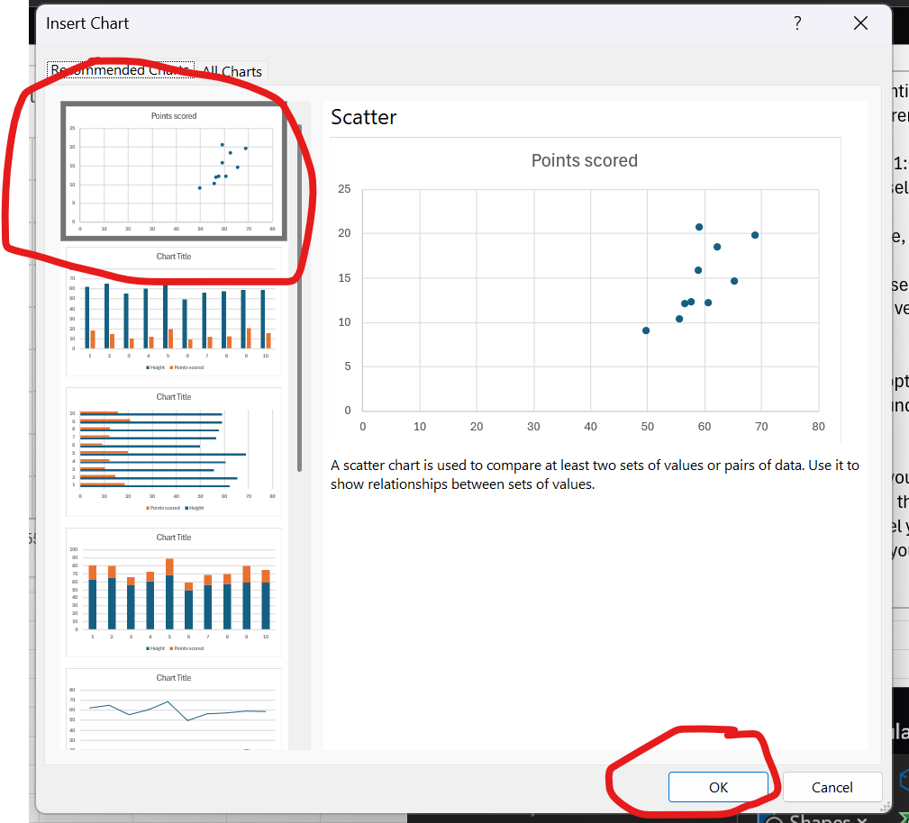

2. Scatterplot Practice
Now it's your turn:
1. Create a scatterplot showing the relationshp between practice shooting percentage, and in gam shooting percentage.
Student | Practice | Game
1 | 58% | 36%
2 | 70% | 19%
3 | 11% | 16%
4 | 49% | 8%
5 | 33% | 24%
6 | 36% | 13%
7 | 65% | 62%
8 | 84% | 41% | Place scatterplot here
9 | 49% | 66%
10 | 97% | 73%

3. Adding chart elements
Scatterplot: Height ~ Points
Often we want to add features to an excel chart. We can do this using the "add chart element feature". Recall we can find this by selecting the chart then clicking on the chart design tab.
1. If we want to add a title to our chart, we hover over chart title on the chart element menu, then select the appropriate title type. (see screenshot 1)
2. If we want to add a trendline , we hover over the "trendline" option and select "linear" (see screenshot 2)
As you can see there are a great deal of other elements available that you can explore. Play around with at least one more that we haven't discussed. You can't mess it up. You can alwyas use the Undo button to undo it.
Student | Height | Points scored
1 | 62 | 19
2 | 65 | 15
3 | 56 | 10
4 | 61 | 12
5 | 69 | 20
6 | 50 | 9
7 | 56 | 12
8 | 58 | 12
9 | 59 | 21
10 | 59 | 16

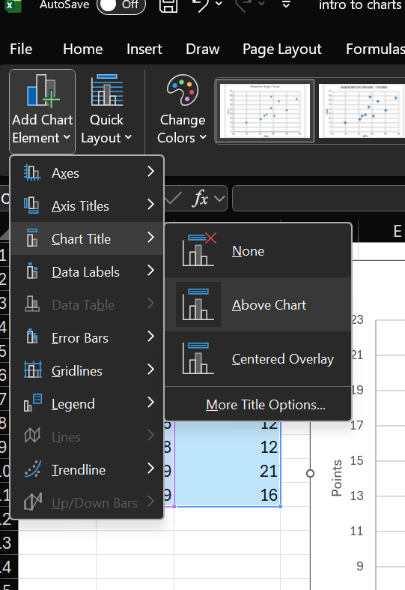
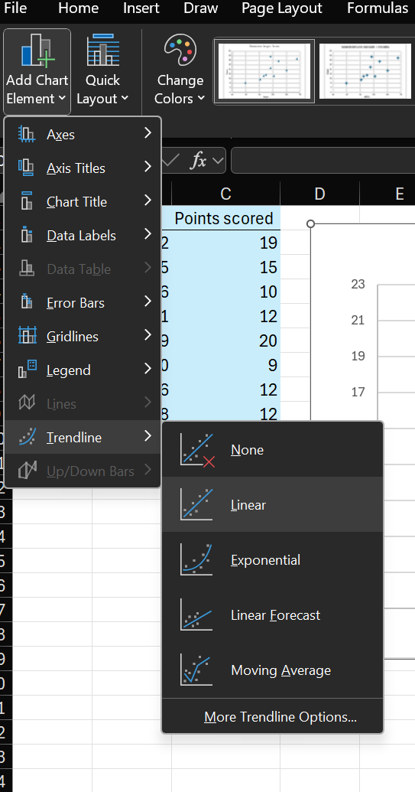
1 |  |  | 2

4. Adding Elements Practice
Now it's your turn:
1. Add a title to the scatterplot on this sheet
2. Add a trendline to the scatterplot on this sheet
3. (Challenge) Add axis titles to the chart. We haven't explicitly shown you how to do this. See if you can figure it out through experimentation or an online search.
Student | Practice | Game
1 | 58% | 36%
2 | 70% | 19%
3 | 11% | 16%
4 | 49% | 8%
5 | 33% | 24%
6 | 36% | 13%
7 | 65% | 62%
8 | 84% | 41%
9 | 49% | 66%
10 | 97% | 73%

5. Chart type
Pie Chart
Just like with any other technological tool, excel charts depend on the quality of the instruction you give them.
After selecting the data and opening the "recommended charts" box, you can choose among any of the chart options, by clicking the "all chart" tab. (See screenshot)
Excel will try to present the data in a way that makes sense given the chart type you select, but if the chart you pick doesn't match the data you selected, the result may not be useful.
Here we selected a pie chart. However, pie charts are best suited to displaying a single categorical variable, not multiple continuous variables so the output is not informative.
If you think your data is well suited to a type of chart but the output excel gives you doesn't match what you expect, you may have to go deeper into the chart settings to format it appropriately. This is a more advanced topic than we'll address here, however.
Student | Height | Points scored
1 | 62 | 19
2 | 65 | 15
3 | 56 | 10
4 | 61 | 12
5 | 69 | 20
6 | 50 | 9
7 | 56 | 12
8 | 58 | 12
9 | 59 | 21
10 | 59 | 16

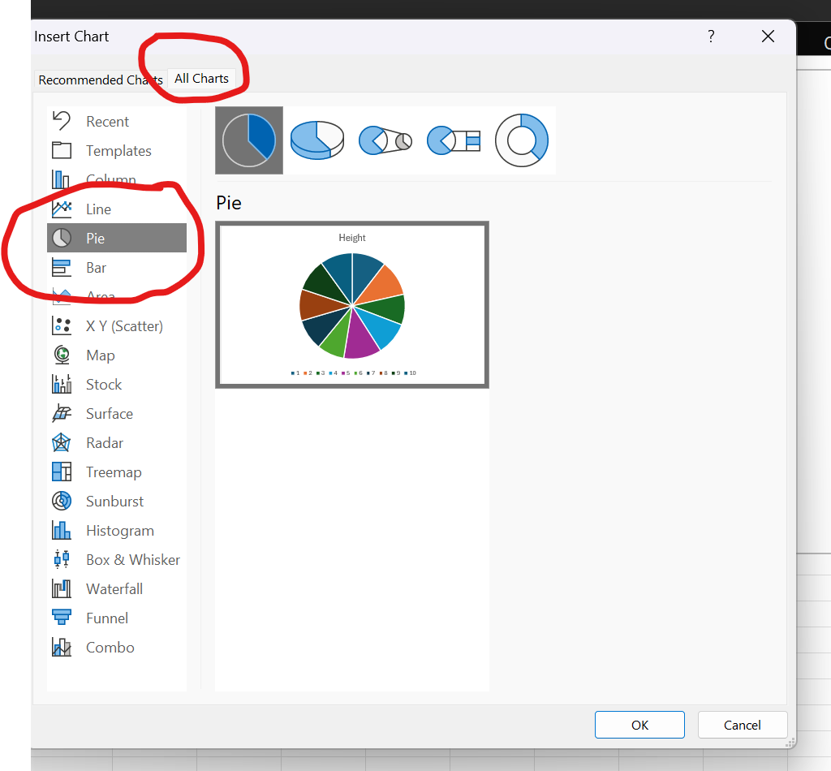

6. More Chart Practice
Now it's your turn:
1. Select the practice and game data as before but this time make the output a bar chart.
2. Is this chart more or less useful than a scatterplot? Why?
If you enjoy tring to find the best chart to visualize a dataset, there is a whole field of study related to data visualization. This is important to areas such as journalism, where the goal is to help people who are not experts in a given area understand some data effectively.
Student | Practice | Game
1 | 58% | 36%
2 | 70% | 19%
3 | 11% | 16%
4 | 49% | 8%
5 | 33% | 24%
6 | 36% | 13%
7 | 65% | 62%
8 | 84% | 41%
9 | 49% | 66%
10 | 97% | 73%

 | Place chart here

